1. Title Page
Instacart Grocery Basket Analysis

Project Name: Instacart Grocery Bastket Analysis
Date: 19/05/2025
Analyst Name: Javiera Quezada

Contents:
Population Flow
Consistency checks
Wrangling steps
Column derivations
Visualizations
Recommendations

Citation (required in your final report): “The Instacart Online Grocery Shopping Dataset 2017”, Accessed from www.instacart.com/datasets/grocery-shopping-2017 via Kaggle on <date>.

2. Population Flow
 | Title page

Population flow

Exclusion flag
Condition: max_order <
Obervations to be removed:
Final total count of order_products_all: 32,434,212

Orders_products_combined
Orders_products_merged
Orders_products_all

Total:32,435,059
Total:32,434,489
Total:
32,434,212

1.) The grey boxes in the first row of the population flow represent the original data sets as they were when you downloaded them. In the Total fields you need to add the count of the rows when you imported the data set into Jupyter.
2.) The second row of boxes (coloured) represents the data sets after you manipulated them, e.g., removed missing values and duplicates. In the Total fields you need to add the count of the rows after conducting these operations. This offers a visual oveview of how the data flows throughout the data consistency checks.
3.) The third row, where also the arrows are coloured, represents the merges you performed between the datasets. In the Total fields you need to add the count of the rows in the merged datasets, so that you end up with the final dataset (in the red box). Keep in mind the final dataset should be without exclusions (based on the exclusion flag).

3. Consistency checks
 |  |  |  | Title page
Consistency checks

Dataset | Missing values | Missing values treatment | Duplicates
orders | 206209 | keep them, due to representing the first order | 0 duplicates found
products | 16 | Creation of new data frame | 5 duplicates
orders_products_prior | no |  | no
customers | no |  | no
final_dataset | true values: 1420564 | creation of new data frame that excludes them | no

4. Wrangling steps
 |  |  |  | Title page
Wrangling steps

Columns dropped | Columns renamed | Columns' type changed | Comment/Reason
eval_set |  |  | not necessary for analysis
 | orders_dow to orders_of_the_week |  | for a more intuitive name
 |  | int64 order_id to string | numbers don’t provide values for descriptive analysis
 |  | int64 user_id to string | numbers don’t provide values for descriptive analysis
 |  | int64 order_id to string | order number doesn’t provide any value for descriptive analysis
unnamed_user |  | int64 order_id to string | seems to be index column by default

5. Column derivations
 |  |  |  | Title page

Column derivations and aggregations

In this tab you should add tables below that the frequences of flags/label variables that you produced after deriving them. NB: don't do this for continuous variables, only for flags.
Dataset | New column | Column/s it was derived from | Conditions
ords_prods_merge | price_range_loc | prices | 15> 'High-range product' >5 & <=15 ' Mid-range product' <5 'Low Range product'
ords_prods_merge | busiest_day | orders_day_of_week | if value = 0:"Busiest day" if value = 4:"Least busy" else = "Regularly busy"
ords_prods_merge | Busiests_days | orders_day_of_week | if values [0, 1]: "Busiests days" if values [4, 3]: "Slowest days" else: "Regularly busy"
ords_prods_merge | busiest_period_of_day | orders_day_of_week | if value in [ 10,11,14,15,13,12,16,9]:"Most Orders" if value in [17,8,18,19,20,7]: "Average Orders" else:Fewest Orders"
ords_prods_merge | loyalty_flag | order_number, user_id | If value max_order > 40 : 'Loyal customer' If value max_order <= 40 : 'Regular customer'. If value max_order <= 10: ' New customer'
ords_prods_merge | spenfing_flag | loyalty_flag, prices | If value mean_prices < 10 : Low spender. If value mean_prices >= 10 : High spender
ords_prods_merge | order_frecuency_flag | user_id, day_since_prior_order | If value median_days_since_prior_order > 20: Non-frecuent customer If value median_days_since_prior_order <= 20: Regular_customer . If value median_days_since_prior_order <= 10 : Frecuent customer
final_dataset | region | state | # Region 1: Northeast : 'Maine', 'New Hampshire', 'Vermont', 'Massachusetts', 'Rhode Island', 'Connecticut', 'New York', 'Pennsylvania', 'New Jersey' # Region 2: Midwest : 'Wisconsin', 'Michigan', 'Illinois', 'Indiana', 'Ohio', 'North Dakota', 'South Dakota', 'Nebraska', 'Kansas', 'Minnesota', 'Iowa', 'Missouri # Region 3: South: 'Delaware', 'Maryland', 'District of Columbia', 'Virginia', 'West Virginia', 'North Carolina', 'South Carolina', 'Georgia', 'Florida', 'Kentucky', 'Tennessee', 'Mississippi', 'Alabama', 'Oklahoma', 'Texas', 'Arkansas', 'Louisiana' # Region 4: West 'Idaho', 'Montana', 'Wyoming', 'Nevada', 'Utah', 'Colorado', 'Arizona', 'New Mexico', 'Alaska', 'Washington', 'Oregon', 'California', 'Hawaii
final_dataset | exclusion_flag | order_frecuency_flag | True: <5 orders False: >=5 orders
sampled_df | parenting_status | n_dependants | if value 'n_dependants' 0: 'Single Adult' else: 'Parent'
sampled_df | age_group | age | if age values < 18: 'Teen' If age values 18 <= age <= 29: 'Young Adult' If age values <= age <= 44: 'Adult' If age values <= age <= 59: 'Middle Aged' If age values else return 'Senior'
sampled_df | income_group | income | if income values < 50000: 'Low' If income values 50000 <= income < 100000: 'Lower-Middle' If income values <= income < 150000: 'Upper-Middle' If income values 150000 <= income < 250000: 'High' Else:'Very High'
sampled_df | department_name | department_id | if value 1: frozen if value 2: other if value 3: bakery if value 4: produce if value 5: alcohol if value 6: international if value 7: beverages if value 8: pets if value 9: dry goods pasta if value 10: bulk if value 11: personal care if value 12: meat seafood if value 13: pantry if value 14: breakfast if value 15 :canned goods if value 16: dairy eggs if value 17: household if value 18: babies if value 19: snacks if value 20: deli if value 21: missing

6. Visualizations
 |  |  |  | Title page

Visualisations

In this tab you should include all the visualtions from Exercises 4.9 and 4.10, alongside the questions from the project brief that they answer. Include any commentary on the relationship between different variables.

 |  | Key Question | Comments:


1) | Daily Order Frecuency.

The sales team needs to know what the busiest days of the week and hours of the day are (i.e., the days and times with the most orders) to schedule ads at times when there are fewer orders.
- There is a peak in order frecuency that starts to go up around 6 am arriving to a peak at 10 in the morning. Having a small deline durint (probably) lunch time, to, then, come back to their frecuency until 15h.
- The busiest days of the week are Sunday and Monday.
- And the days with highest spending are in the weekend, suggesting customers have more time to make their orders.
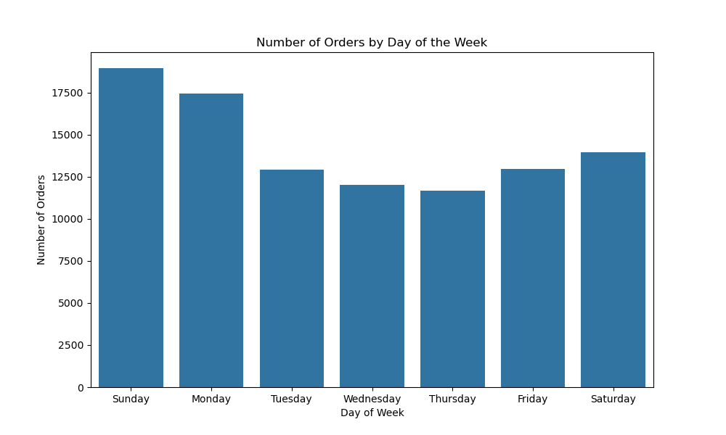
2) | Busiest Days of the Week.

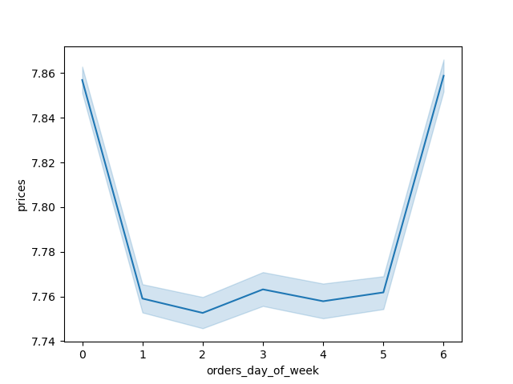
3) | Spending per Day of Week.

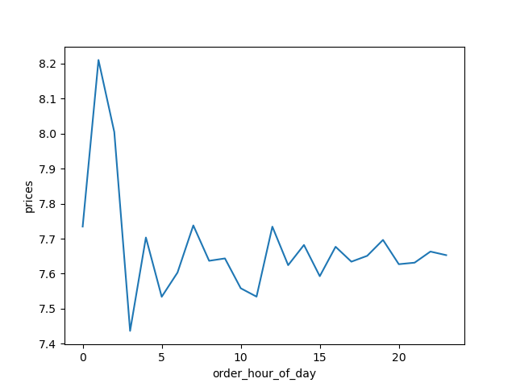
4) | Spending During the Day.
They also want to know whether there are times of the day when people spend the most money, as this might inform the type of products they advertise at these times.
- Seems to be a tendency in spending during the night.

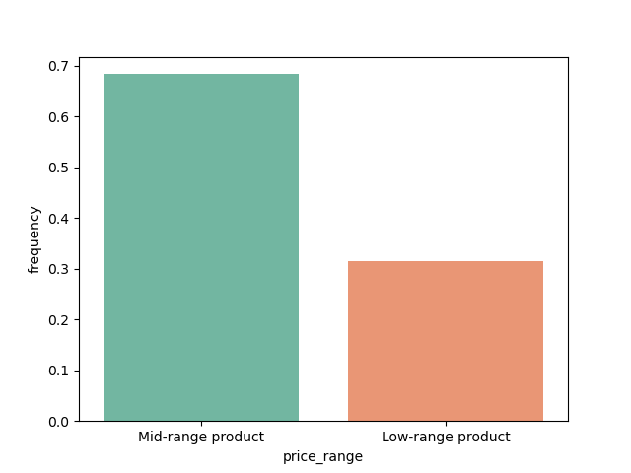
5) | Frecuency of Order : Range Product.
Instacart has a lot of products with different price tags. Marketing and sales want to use simpler price range groupings to help direct their efforts.
- The most frecuently bought products are in the mid range price

- Product popularity: produce, dairy eggs,snacks,beverages and frozen.
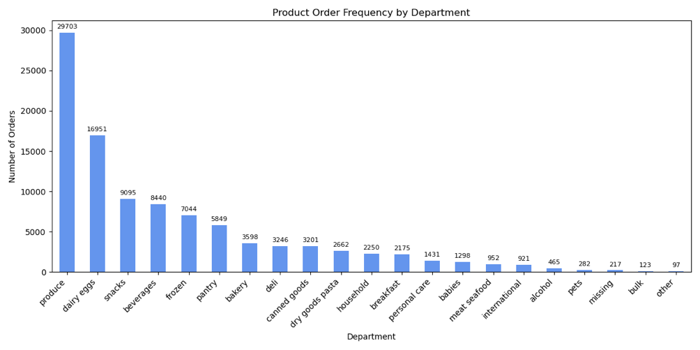
Are there certain types of products that are more popular than others? The marketing and sales teams want to know which departments have the highest frequency of product orders.
6) | Product Department Popularity.

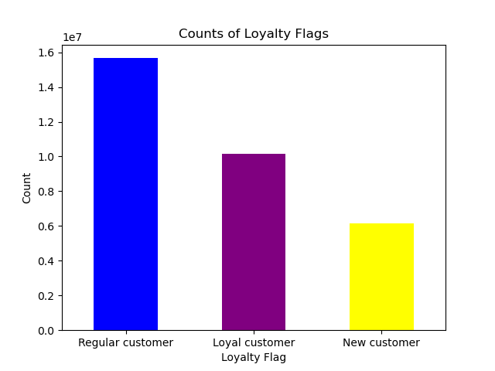
7) | Count of Loyalty Customer Flag.

The marketing and sales teams are particularly interested in the different types of customers in their system and how their ordering behaviors differ. For example:
What’s the distribution among users regarding their brand loyalty (i.e., how often do they return to Instacart)?
- The mayority of our customers are considered regular customers
- Significant amount of customers are recurring but not highly engaged.
- From a sample of 1,000,000 of customers, most of them show to be low spenders.
- The highest proportion of high spenders are in regular customers.

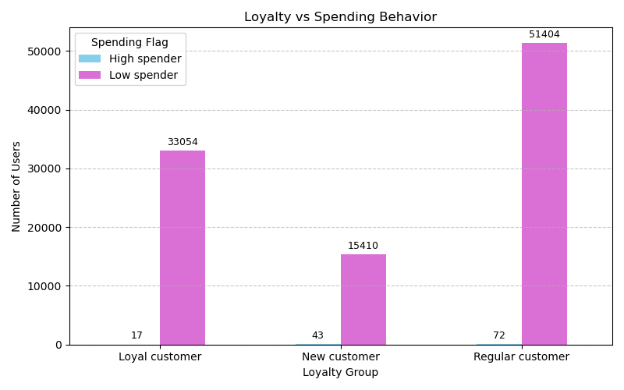
8) | Loyalty v/s Spending Behavior.

- There is a notorious increase in buying produce products in general but mostly in the south region, followed by diary eggs

Are there differences in ordering habits based on a customer’s region?
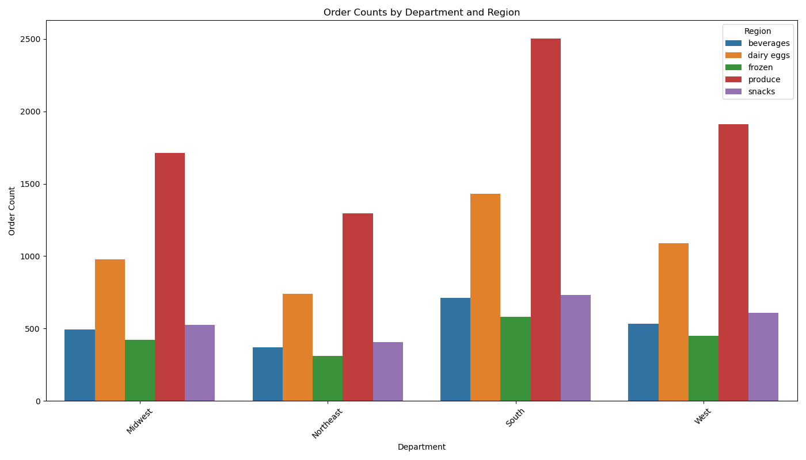
9) | Ordering Habits per Region

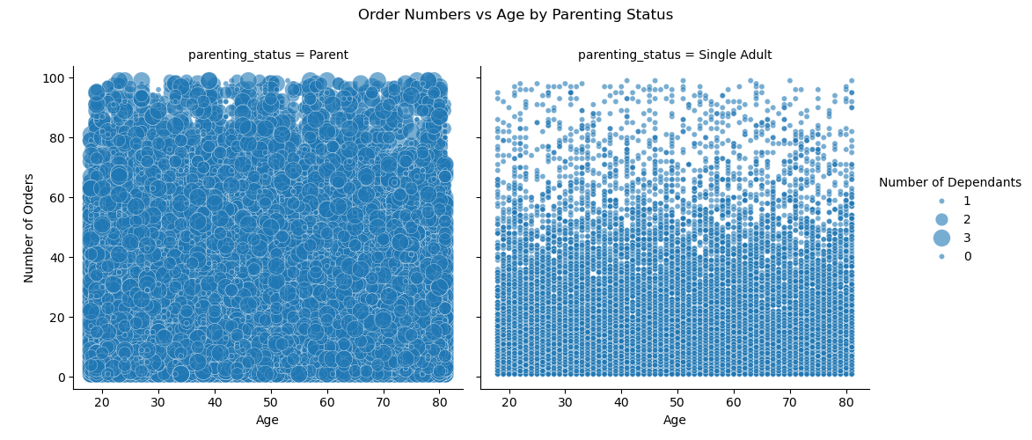
10) | Order Numbers vs Age by Parenting Status.

Is there a connection between age and family status in terms of ordering
habits?
- Customers with parenting status have a tendency in order more and more frecuently than single adults.
- Regarding the mayority income and proportion of spending per dependant, customers considered ‘Parent” status spend more, and more frecuently than single adults.

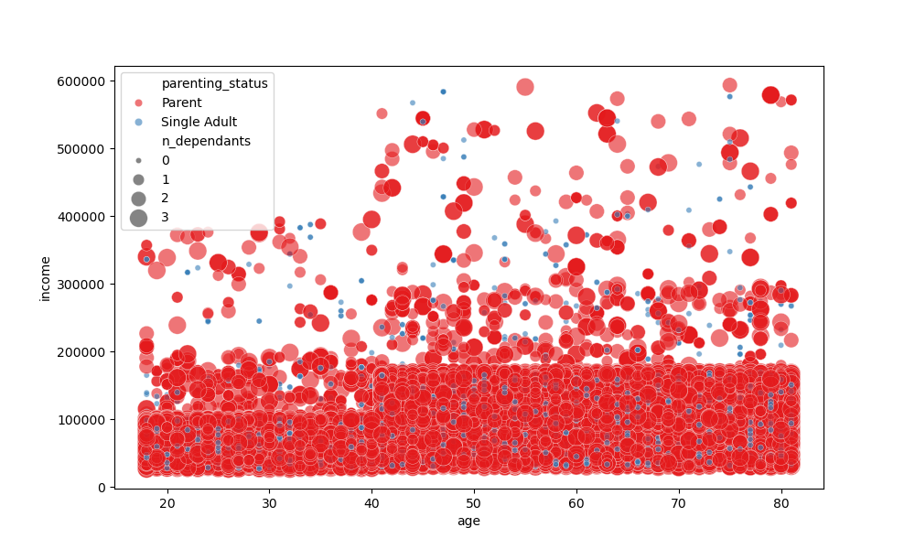
11) | Income.

- Regarding in age terms, seniors are ordering more frecuently in general, having the highest amount of orders in the south of the country. - The age group that orders the least is located in the northeast region.
What different classifications does the demographic information suggest?
Age?
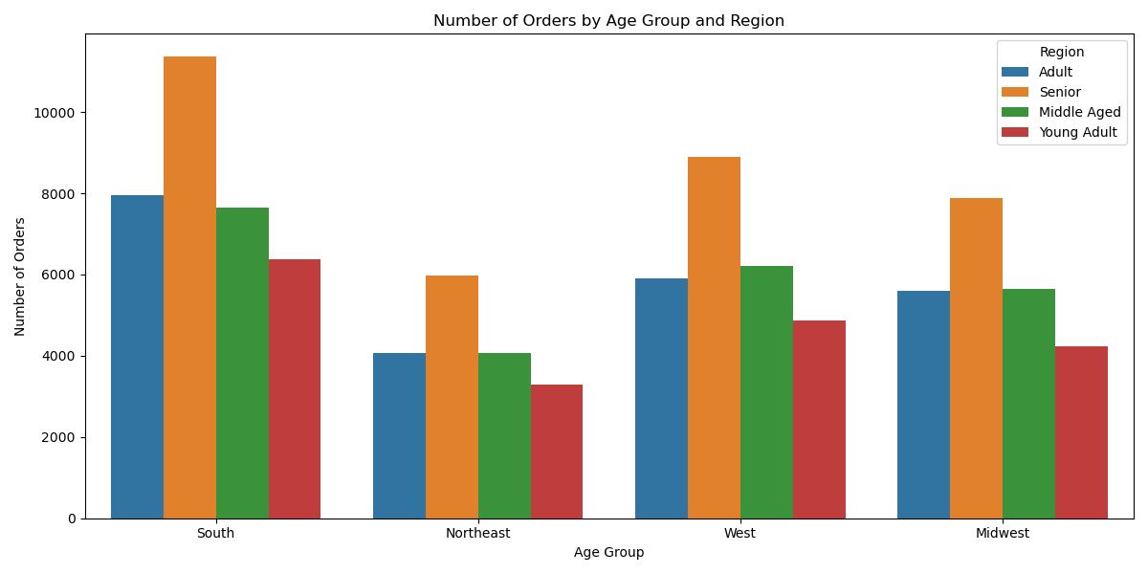
12) | Number Of Orders by Age groups and Region.

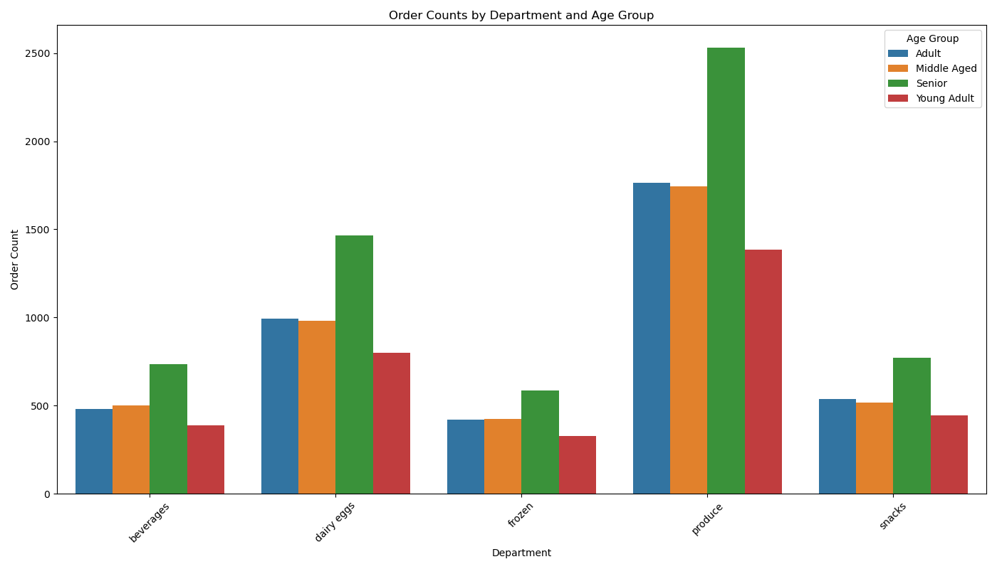
13) | Order Counts by Department and Age Group.

What differences can you find in ordering habits of different customer
profiles? Consider the price of orders, the frequency of orders, the products customers are ordering, and anything else you can think of.
- We could identified that our most common profile client is a “Senior Parent of Upper_income” with is the one that purchases the most popular product department ‘produce’.

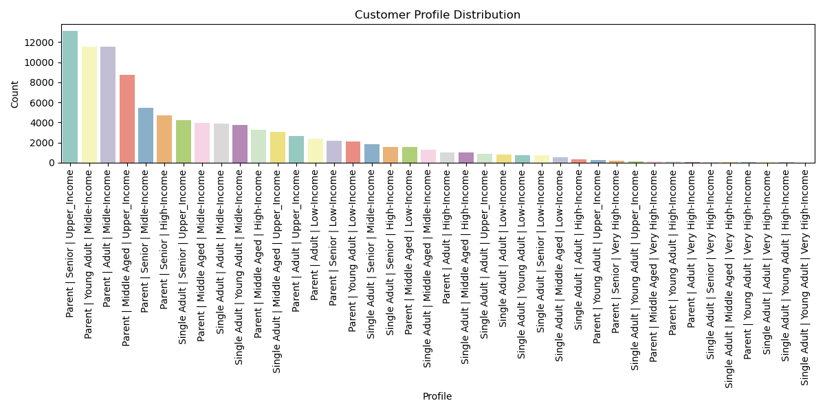
14) | Customer Profile Distribution.

7. Recommendations
 |  |  | Title page

Recommendations

In this tab you should include any recommendations you would made to Instcart in terms of their marketing strategy based on the questions posed in the brief. Every key question has been covered in the Tasks of the Exercises - here you need to add an item - a visualisation or table/crosstable that is showing the answer in the data, acompanied by a comment from you. Please, list the questions below and add the answer underneath.

Question | Answer | Recommendations
1) Which are the busiest hours of the day? And busiest days of the week? | a) Frequency of Orders During the Day - Peak ordering hours occur between 10 AM and 4 PM. - Early mornings and late evenings show the least activity. b) Busiest Days of the Week - Sundays and Mondays are the busiest days for orders. - Wednesdays and Fridays show lower volume. c) Spending per Day of the Week - Highest spending occurs on weekends, especially Sunday. | Schedule ads/promotions during low-traffic hours to boost activity. Run campaigns or upsell strategies on slower days to balance demand. Promoting higher-ticket products on these days.
2) Which are the times of the day where is spent the most? | a) Orders & Spending by Hour of Day Spending aligns with order volume: 10 AM to 2 PM is peak for both. | Considering target premium products or bundles during high-spend hours.
3) Simple range grouping for decision making. | a) Product Pricing Patterns The most frequently purchased products fall into the mid-price range. Indicates a strong middle-market — focus marketing here. | Budget and premium segments can be targeted with personalized recommendations.
4) Are there certain types of products that are more popular than others? | a) Most Popular Departments - Produce - Dairy & Eggs - Snacks - Beverages - Frozen | Suggest prioritizing inventory, promotions, and visibility for these categories.
5) Different types of customers in their system and how their ordering behaviors. | a) Loyalty Distribution - Majority are Regular customers, followed by Loyal and then New. - Indicates strong return behavior, but opportunity to nurture new users into regulars. b) Loyalty & Spending Patterns - Loyal customers tend to: - Order less frequently - Spend more per order | Suggest higher-value product ads for loyal users.
6) Are there differences in ordering habits based on a customer’s region? | a) Regional Ordering Differences Produce purchases are highest in the South, followed by Dairy & Eggs. | Regional campaigns could emphasize top departments by zone.

7) Is there a connection between age and family status in terms of ordering habits? | a) Parenting Status & Ordering - Parents: order more frequently, spend more per order - Parents with higher income and more dependents are among the highest spenders. | Target high-income parents with tailored promotions. Suggest parenting-related bundles or family-sized products.
8) What different classifications does the demographic information suggest? Age? | a) Age & Frequency - Seniors: Place the most orders, especially active in the South. - Young adults: Least active, especially in the Northeast. | Suggest age-group-based campaigns.

9) What differences can be foundin ordering habits of different customer profiles? . | a)Typical High-Value Profile Senior Parent with Upper Income: Prefers Produce and shops frequently | Prioritize in retention and loyalty programs

